Sheet1
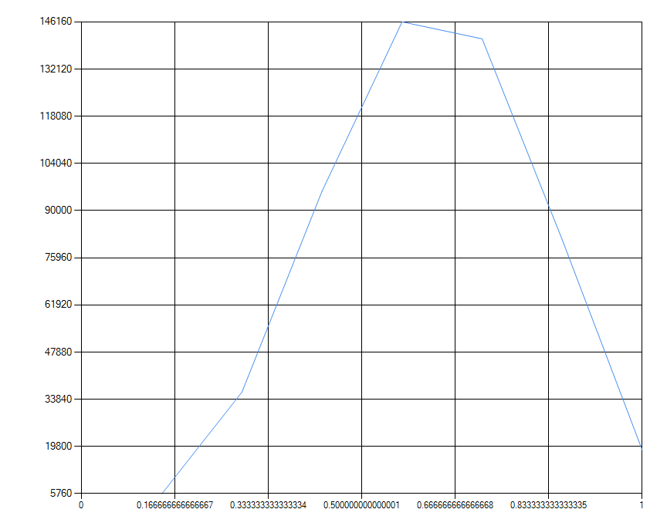

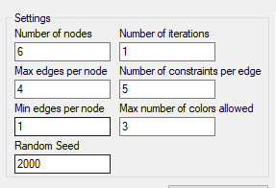

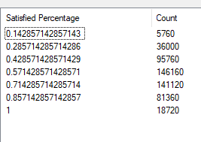

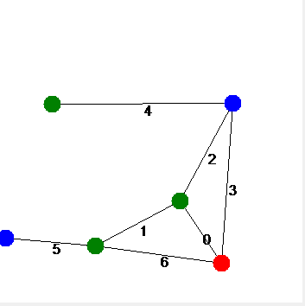

Edge 0 constraint: Constraint_MustNotBeOneOfEach(Color [Blue], Color [Blue]) - Constraint_MustNotBeOneOfEach(Color [Green], Color [Green]) - Constraint_MustNotBeOneOfEach(Color [Blue], Color [Green]) -
Edge 1 constraint: Constraint_MustNotBeOneOfEach(Color [Red], Color [Blue]) - Constraint_MustNotBeOneOfEach(Color [Green], Color [Blue]) - Constraint_MustNotBeOneOfEach(Color [Blue], Color [Green]) -
Edge 2 constraint: Constraint_MustNotBeOneOfEach(Color [Blue], Color [Blue]) - Constraint_MustNotBeOneOfEach(Color [Red], Color [Green]) - Constraint_MustNotBeOneOfEach(Color [Blue], Color [Blue]) -
Edge 3 constraint: Constraint_MustBeDifferentColor
Edge 4 constraint: Constraint_MustBeDifferentColor
Edge 5 constraint: Constraint_MustNotBeOneOfEach(Color [Red], Color [Blue]) - Constraint_MustNotBeOneOfEach(Color [Green], Color [Red]) - Constraint_MustNotBeOneOfEach(Color [Red], Color [Green]) -
Edge 6 constraint: Constraint_MustBeDifferentColor

